Question 2 1 (Highest movies)
film_title | revenue
Telegraph Voyage | 21575
Zorro Ark | 19972
Wife Turn | 19873
Innocent Usual | 19174
Hustler Party | 19078
Saturday Lambs | 19074
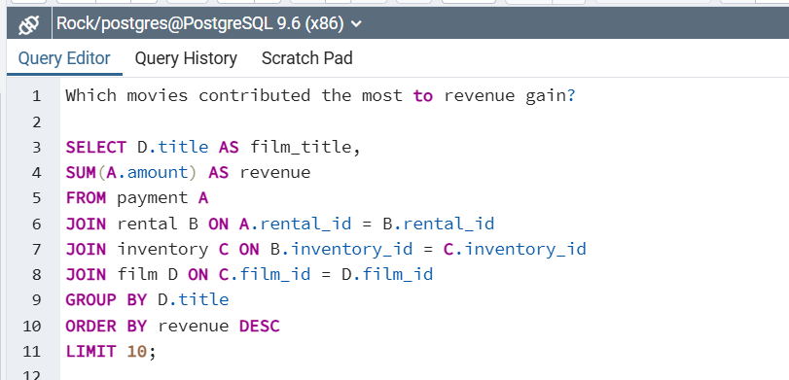
Titans Jerk | 18673
Harry Idaho | 17773
Torque Bound | 16976
Dogma Family | 16872

Question 2.2 (least movies)
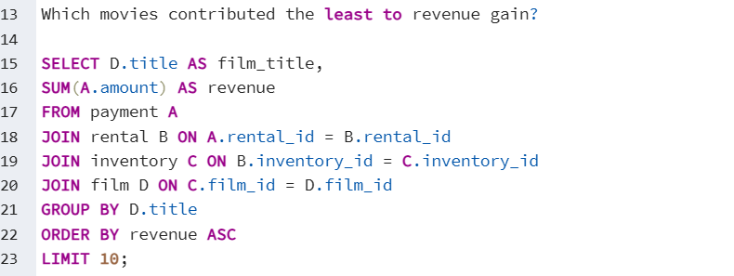
film_title | revenue
Duffel Apocalypse | 594
Texas Watch | 594
Oklahoma Jumanji | 594
Freedom Cleopatra | 595
Rebel Airport | 693
Young Language | 693
Cruelty Unforgiven | 694
Treatment Jekyll | 694
Lights Deer | 793
Stallion Sundance | 794

Question 3 7(1) Top 10 countrie
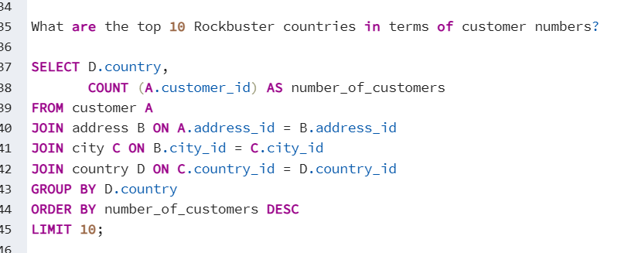
country | number_of_customers
India | 60
China | 53
United States | 36
Japan | 31
Mexico | 30
Brazil | 28
Russian Federation | 28
Philippines | 20
Turkey | 15
Indonesia | 14

Question 3 7(2) Top 10 cities
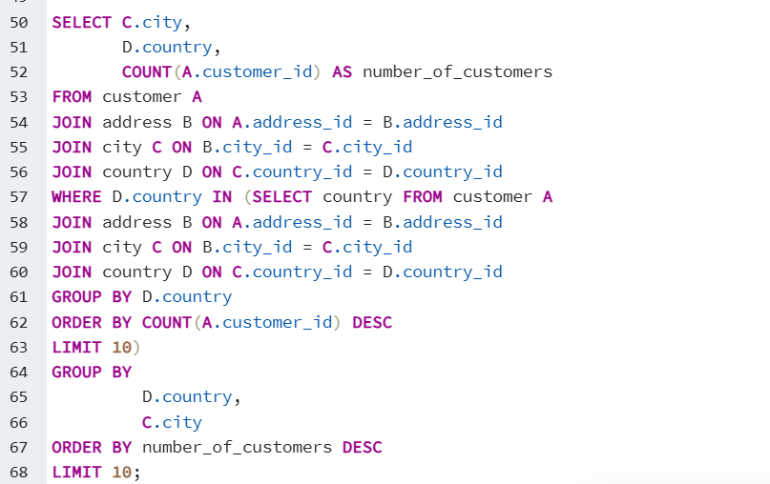
city | country | number_of_customers
Aurora | United States | 2
Vijayawada | India | 1
Bhimavaram | India | 1
Maikop | Russian Federation | 1
Hoshiarpur | India | 1
Parbhani | India | 1
Liaocheng | China | 1
Dongying | China | 1
Yinchuan | China | 1
Hidalgo | Mexico | 1

Question 3 7(3) top customers
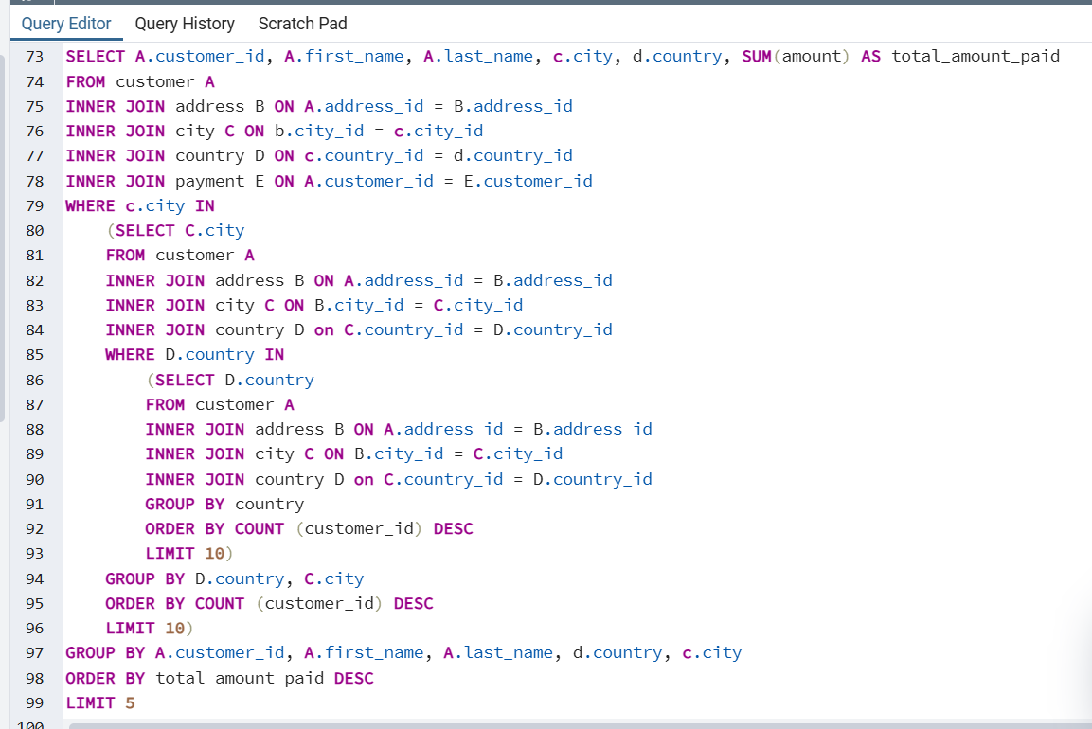
customer_id | first_name | last_name | city | country | total_amount_paid
346 | Arthur | Simpkins | Maikop | Russian Federation | 14570
484 | Roberto | Vu | Yinchuan | China | 12873
129 | Carrie | Porter | Liaocheng | China | 12466
300 | John | Farnsworth | Parbhani | India | 12374
508 | Milton | Howland | Vijayawada | India | 12177

